Data Flow Architecture
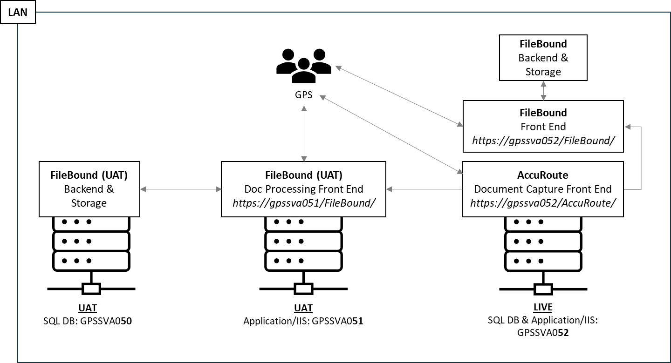
Description | The Data Flow Architecture aims to include an UML or Architectural Schema of the solution that will be validated with this document. Attach one or more images.

